Defect3
Category | Label | Value
Bug ID | ID number | #003
 | Name | TC_PET_SPECIALTIES_06(2.0) Webpage should show all of the petclinic specialties
 | Reporter | Christopher Wise
 | Submit Date | 2020-04-12
Bug overview | Summary | When you navigate to the specialty page on the website it is always randomly missing one of the types. But you can find it in the API.
 | URL | https://clinic.doveryai-no-proveryai.com/petclinic/specialties
 | 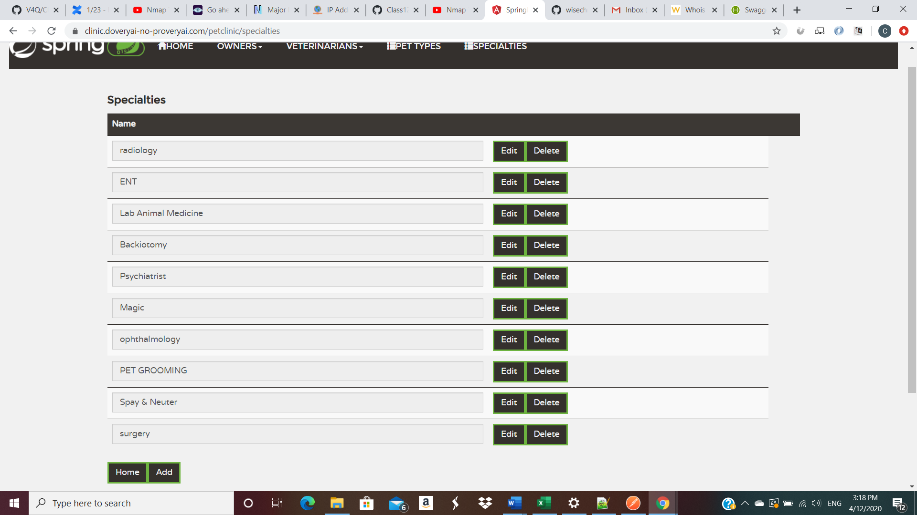 Screenshot
Environment | Platform | Windows HP
 | Operating System | Windows 10 Home
 | Browser | Version 80.0.3987.149 (Official Build) (64-bit
Bug details | Steps to reproduce | 1. Navigate to url above. 2. Click on the Specialties Tab. 3.Take a count of the amount of specialties that are avaliable to select from (10). 4. Navigate to "http://clinic.doveryai-no-proveryai.com:9966/petclinic/swagger-ui.html#!/specialty-rest-controller/getAllSpecialtysUsingGET" 5. Count the amount of specialties located in the API (11).
 | Expected result | The amount of specialties shown on the website should match the amount of specialties shown in the API.
 | Actual result | Website will take you to page showing that there are eleven specialties in the API but only ten are actually being shown on the website.
 | Description
Bug tracking | Severity | Major
 | Assigned to | /
 | Priority | High
Notes | Notes | Version 2.0 of Petclinic

